PDF's Example
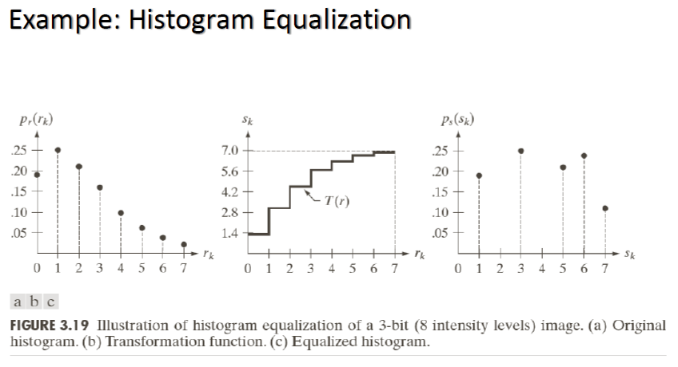
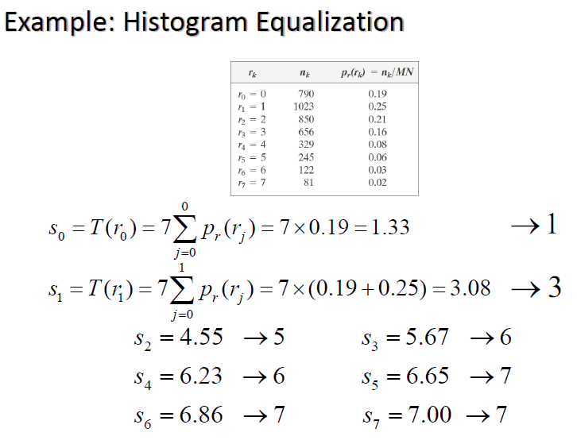
Histogram
rk | nk | pr(rk)=nk/MN |  | M | N | M*N | Example: Histogram Equalization pdf4 page 31
0 | 790 | 0.19287109375 |  | 64 | 64 | 4096
1 | 1023 | 0.24975585938
2 | 850 | 0.20751953125 |  |  |  | M*N proof
3 | 656 | 0.16015625 |  |  |  | 4096
4 | 329 | 0.080322265625
5 | 245 | 0.059814453125
6 | 122 | 0.02978515625
7 | 81 | 0.019775390625

 | sk | Rounded | p(sk)data | p(sk)
0 | 1.3500976562 | 1 | 0.19287109375 | 0
1 | 3.0983886719 | 3 | 0.24975585938 | 0.19287109375
2 | 4.5510253906 | 5 | 0.20751953125 | 0
3 | 5.6721191406 | 6 | 0 | 0.24975585938
4 | 6.234375 | 6 | 0.24047851562 | 0
5 | 6.6530761719 | 7 | 0 | 0.20751953125
6 | 6.8615722656 | 7 | 0 | 0.24047851562
7 | 7 | 7 | 0.109375 | 0.109375
Transformation Function
Equalized Histogram

My Example
Histogram
rk | nk | pr(rk)=nk/MN |  | M | N | M*N | My Example
0 | 823 | 0.20092773438 |  | 64 | 64 | 4096
1 | 229 | 0.055908203125
2 | 213 | 0.052001953125 |  |  |  | M*N proof
3 | 293 | 0.071533203125 |  |  |  | 4096
4 | 1246 | 0.30419921875
5 | 905 | 0.22094726562
6 | 54 | 0.01318359375
7 | 333 | 0.081298828125

 | sk | Rounded | p(sk)data | p(sk)
0 | 1.4064941406 | 1 | 0.20092773438 | 0
1 | 1.7978515625 | 2 | 0 | 0.20092773438
2 | 2.1618652344 | 2 | 0.10791015625 | 0.10791015625
3 | 2.6625976562 | 3 | 0.071533203125 | 0.071533203125
4 | 4.7919921875 | 5 | 0.30419921875 | 0
5 | 6.3386230469 | 6 | 0 | 0.30419921875
6 | 6.4309082031 | 6 | 0.23413085938 | 0.23413085938
7 | 7 | 7 | 0.081298828125 | 0.081298828125
Transformation Function
Equalized Histogram

